REEBOK
Brand | Image |  | Style Name | Style | Color Name | Color Code | Dimpk | MSRP | Prices | Stock ATS
REEBOK

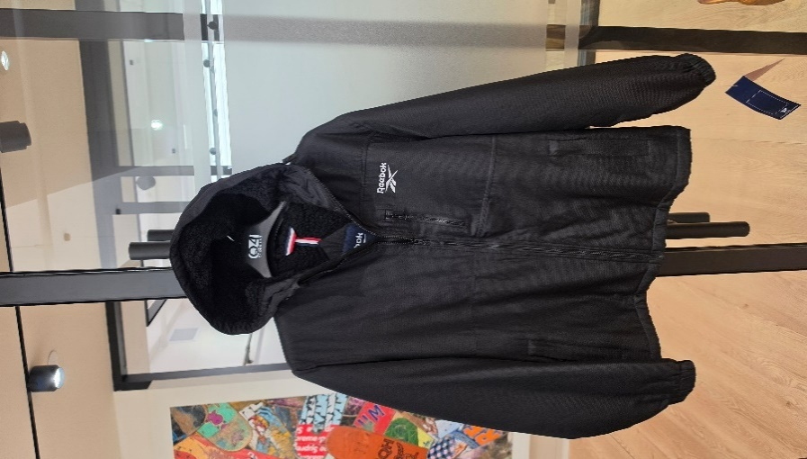
 | 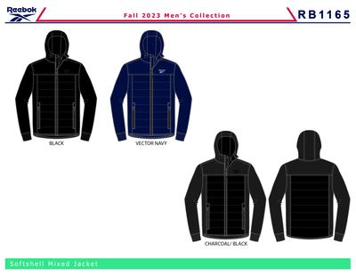 | BCOMRB1165BLACKMRM6B | OMRB1165 SOFT WOVEN JACKET WITH QUILTIN | OMRB1165 | BLACK | 001AA | M6B | $150.00 | $18.50 | 6
 |  | BCOMRB1165VECTOR NAVYMRM6B | OMRB1165 SOFT WOVEN JACKET WITH QUILTIN | OMRB1165 | VECTOR NAVY | BU56 | M6B | $150.00 | $18.50 | 6
 | 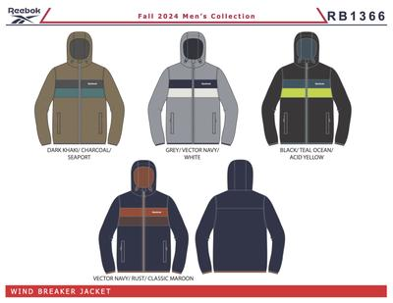 | BCOMRB1540BLACKMM6D | OMRB1540 WINDBREAKER PF LINED | OMRB1540 | BLACK | 001AA | M6D | $105.00 | $19.50 | 4,758
 |  | BCOMRB1540GREYMM6D | OMRB1540 WINDBREAKER PF LINED | OMRB1540 | GREY | 01G | M6D | $105.00 | $19.50 | 558
 |  | BCOMRB1540MINERAL BLUEMM6D | OMRB1540 WINDBREAKER PF LINED | OMRB1540 | MINERAL BLUE | BU53 | M6D | $105.00 | $19.50 | 816
 |  | BCOMRB1540SANDMM6D | OMRB1540 WINDBREAKER PF LINED | OMRB1540 | SAND | 25B | M6D | $105.00 | $19.50 | 1,200
 | 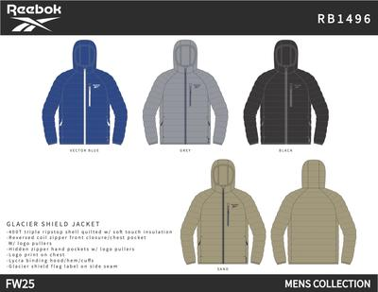 | BCOMRB1496BLACKMM6D | OMRB1496 GLACIER SHIELD JACKET | OMRB1496 | BLACK | 001AA | M6D | $135.00 | $19.50 | 12
 |  | BCOMRB1496GREYMM6D | OMRB1496 GLACIER SHIELD JACKET | OMRB1496 | GREY | 01G | M6D | $135.00 | $19.50 | 6
 |  | BCOMRB1496VECTOR BLUEMM6D | OMRB1496 GLACIER SHIELD JACKET | OMRB1496 | VECTOR BLUE | VTBL | M6D | $135.00 | $19.50 | 2,820
 | 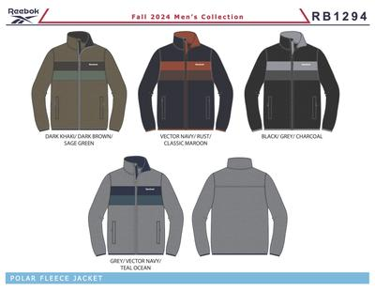 | BCOMRB1294BLACKMRM6B | OMRB1294 POLAR FLEECE | OMRB1294 | BLACK | 001AA | M6B | $80.00 | $15.50 | 642
 |  | BCOMRB1294GREYMRM6B | OMRB1294 POLAR FLEECE | OMRB1294 | GREY | 01G | M6B | $80.00 | $15.50 | 360
 | 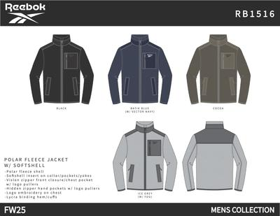 | BCOMRB1516BLACKMM6D | OMRB1516 POLAR FLEECE | OMRB1516 | BLACK | 001AA | M6D | $90.00 | $17.50 | 1,956
 |  | BCOMRB1516ICE GREYMM6D | OMRB1516 POLAR FLEECE | OMRB1516 | ICE GREY | ICEG | M6D | $90.00 | $17.50 | 252 | 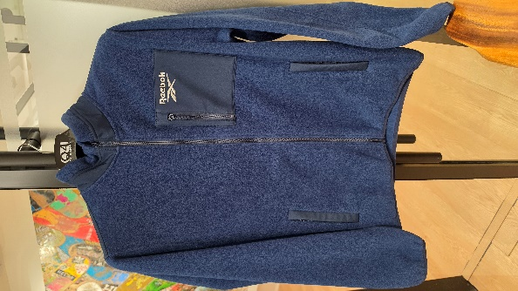
 |  | BCOMRB1554ICE GREYMM6D | OMRB1554 GLACIER SHIELD JACKET | OMRB1554 | ICE GREY | ICEG | M6D | $135.00 | $21.50 | 960
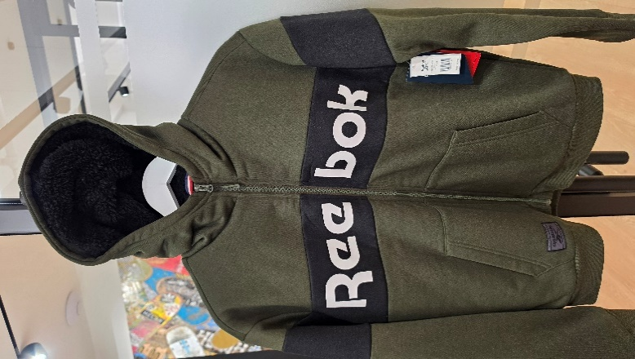
 | 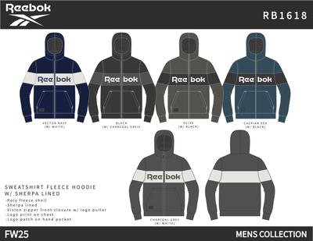 | BCOMRB1618BLACKMM6D | OMRB1618 SHERPA LINED JACKET | OMRB1618 | BLACK | 001AA | M6D | $80.00 | $19.50 | 600
 |  | BCOMRB1618CASPIAN SEAMM6D | OMRB1618 SHERPA LINED JACKET | OMRB1618 | CASPIAN SEA | CAPS | M6D | $80.00 | $19.50 | 12
 |  | BCOMRB1618CHARCOALMM6D | OMRB1618 SHERPA LINED JACKET | OMRB1618 | CHARCOAL | 020AA | M6D | $80.00 | $19.50 | 9,144
 |  | BCOMRB1618OLIVEMM6D | OMRB1618 SHERPA LINED JACKET | OMRB1618 | OLIVE | 11E | M6D | $80.00 | $19.50 | 2,916
 | 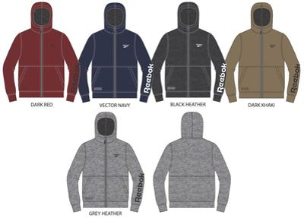 | BCOMRB1396BLACKMRM6A | OMRB1396 ZIP FRT HOODIE | OMRB1396 | BLACK | 001AA | M6A | $60.00 | $16.50 | 102 | 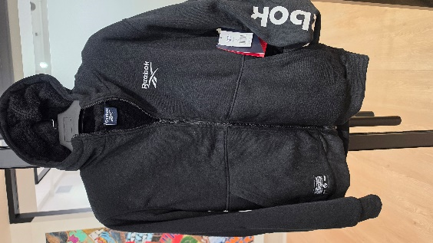
 | 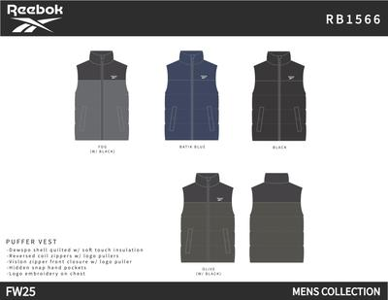 | BCOMRB1566BLACKMM6D | OMRB1566 PUFFER VEST | OMRB1566 | BLACK | 001AA | M6D | $105.00 | $18.50 | 1,932 | 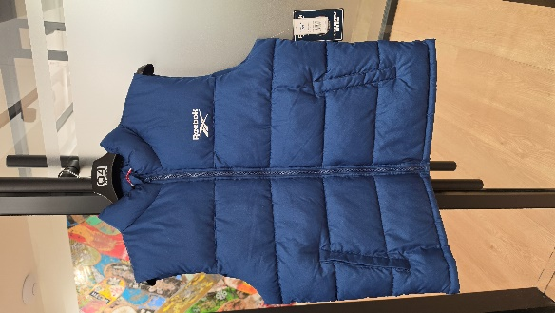
 |  | BCOMRB1072BLACKMRLMEN05 | OMRB1072 PACKABLE JACKET | OMRB1072 | BLACK | 001AA | LMEN05 | $165.00 | $23.50 | 5
 | 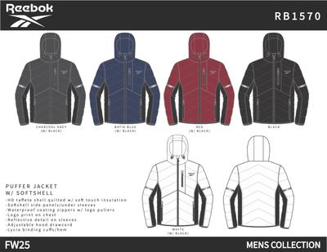 | BCOMRB1570BATIK BLUEMM6D | OMRB1570 PUFFER | OMRB1570 | BATIK BLUE | BABLU | M6D | $160.00 | $28.50 | 498
 |  | BCOMRB1570BLACKMM6D | OMRB1570 PUFFER | OMRB1570 | BLACK | 001AA | M6D | $160.00 | $28.50 | 1,200
 |  | BCOMRB1570CHARCOALMM6D | OMRB1570 PUFFER | OMRB1570 | CHARCOAL | 020AA | M6D | $160.00 | $28.50 | 600
 |  | BCOMRB1570REDMM6D | OMRB1570 PUFFER | OMRB1570 | RED | 01R | M6D | $160.00 | $28.50 | 600
 |  | BCOMRB1570WHITEMM6D | OMRB1570 PUFFER | OMRB1570 | WHITE | 01W | M6D | $160.00 | $28.50 | 600
 | 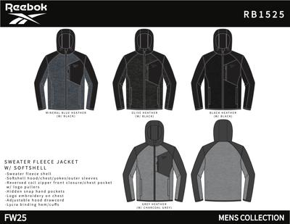 | BCOMRB1525OLIVEMM6D | OMRB1525 CLIMB JACKET WITH SOFT WOVEN | OMRB1525 | OLIVE | 330AA | M6D | $120.00 | $16.50 | 36
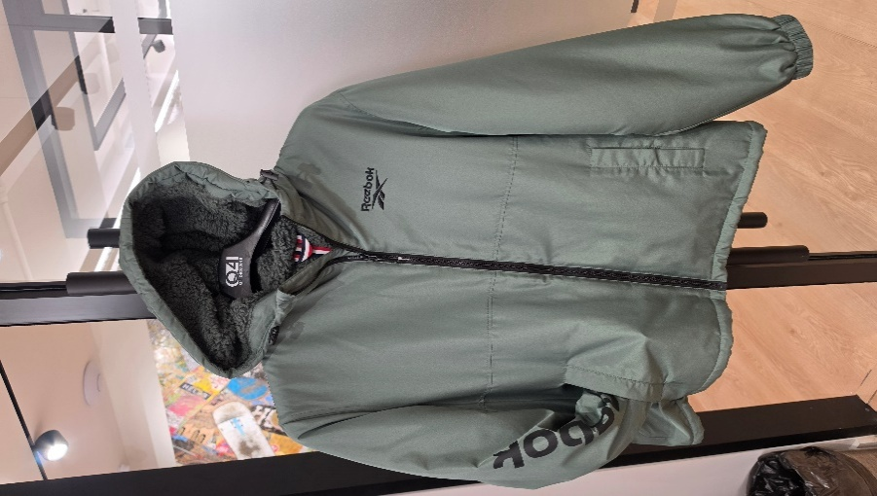
 | 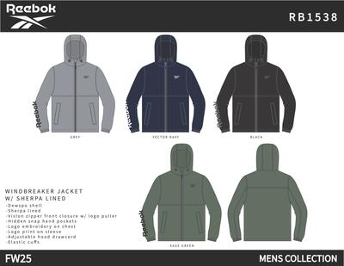 | BCOMRB1538BLACKMM6D | OMRB1538 WINDBREAKER - SP LINED | OMRB1538 | BLACK | 001AA | M6D | $105.00 | $17.50 | 5,352
 |  | BCOMRB1538GREYMM6D | OMRB1538 WINDBREAKER - SP LINED | OMRB1538 | GREY | 01G | M6D | $105.00 | $17.50 | 1,536
 |  | BCOMRB1538SAGEMM6D | OMRB1538 WINDBREAKER - SP LINED | OMRB1538 | SAGE | SAGE | M6D | $105.00 | $17.50 | 648
 |  | BCOMRB1538VECTOR NAVYMM6D | OMRB1538 WINDBREAKER - SP LINED | OMRB1538 | VECTOR NAVY | BU56 | M6D | $105.00 | $17.50 | 1,650
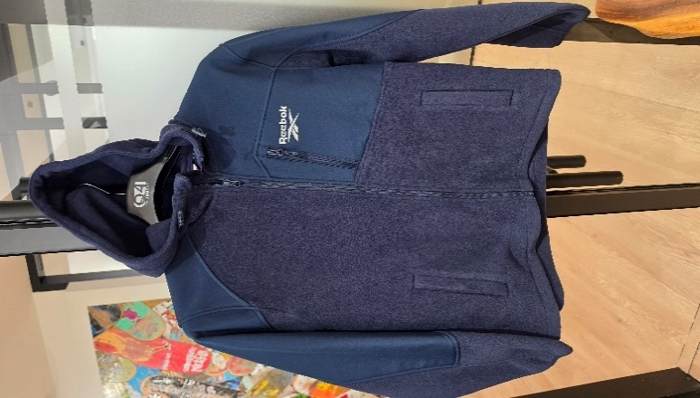
 | 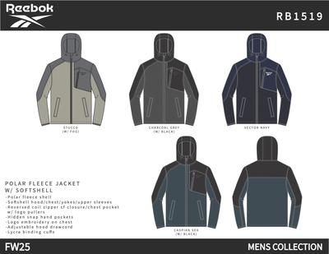 | BCOMRB1519CHARCOALMM6D | OMRB1519 POLAR FLEECE W/ SOFT WOVEN | OMRB1519 | CHARCOAL | 020AA | M6D | $90.00 | $16.50 | 5,196
 |  | BCOMRB1519SEA BLUEMM6D | OMRB1519 POLAR FLEECE W/ SOFT WOVEN | OMRB1519 | SEA BLUE | SEABL | M6D | $90.00 | $16.50 | 396
 |  | BCOMRB1519STUCCOMM6D | OMRB1519 POLAR FLEECE W/ SOFT WOVEN | OMRB1519 | STUCCO | STUCO | M6D | $90.00 | $16.50 | 1,200
 |  | BCOMRB1519VECTOR NAVYMM6D | OMRB1519 POLAR FLEECE W/ SOFT WOVEN | OMRB1519 | VECTOR NAVY | BU56 | M6D | $90.00 | $16.50 | 4,002
 | 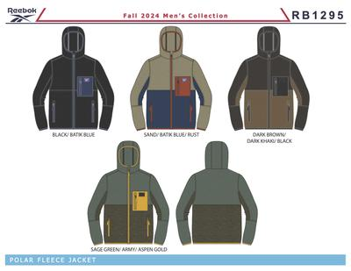 | BCOMRB1295BLACKMRM6B | OMRB1295 POLAR FLEECE | OMRB1295 | BLACK | 001AA | M6B | $80.00 | $15.50 | 7,470 | 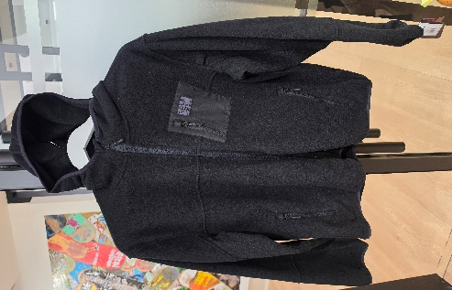
 | 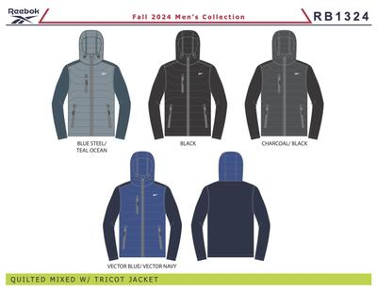 | BCOMRB1324BLACKMRM6B | OMRB1324 PUFFER VEST W/SWTR SLV | OMRB1324 | BLACK | 001AA | M6B | $135.00 | $19.50 | 5,082
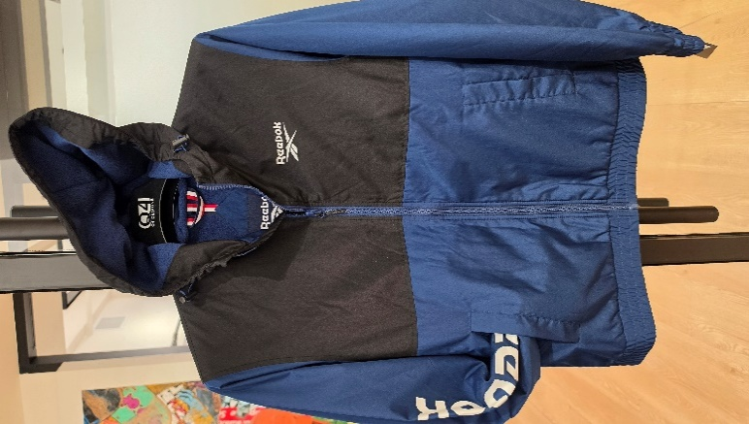
 | 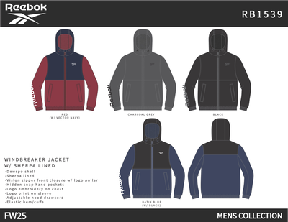 | BCOMRB1539BATIK BLUEMM6D | OMRB1539 WINDBREAKER - PF LINED | OMRB1539 | BATIK BLUE | BABLU | M6D | $95.00 | $16.50 | 180
 |  | BCOMRB1539BLACKMM6D | OMRB1539 WINDBREAKER - PF LINED | OMRB1539 | BLACK | 001AA | M6D | $95.00 | $16.50 | 5,544
 |  | BCOMRB1539CHARCOALMM6D | OMRB1539 WINDBREAKER - PF LINED | OMRB1539 | CHARCOAL | 020AA | M6D | $95.00 | $16.50 | 2,964
 |  | BCOMRB1539REDMM6D | OMRB1539 WINDBREAKER - PF LINED | OMRB1539 | RED | 01R | M6D | $95.00 | $16.50 | 192
 | 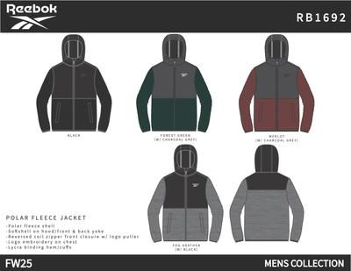 | BCOXRB1692BLACKMXM6C | OXRB1692 POLAR FLEECE | OXRB1692 | BLACK | 001AA | M6C | $95.00 | $16.50 | 1,440 | 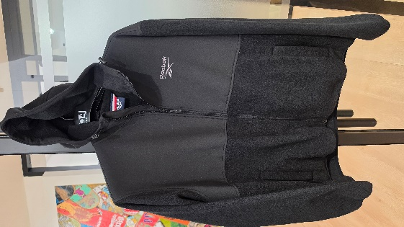
 |  | BCOXRB1692FOGMXM6C | OXRB1692 POLAR FLEECE | OXRB1692 | FOG | FOG | M6C | $95.00 | $16.50 | 1,440
 | 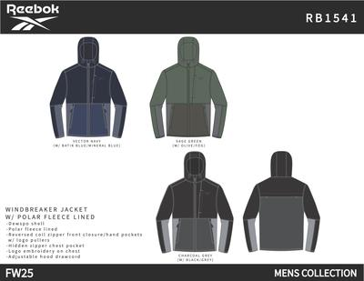 | BCOMRB1541CHARCOALMM6D | OMRB1541 WINDBREAKER PF LINED | OMRB1541 | CHARCOAL | 020AA | M6D | $95.00 | $16.50 | 1,794
 |  | BCOMRB1541VECTOR NAVYMM6D | OMRB1541 WINDBREAKER PF LINED | OMRB1541 | VECTOR NAVY | BU56 | M6D | $95.00 | $16.50 | 2,598
 | 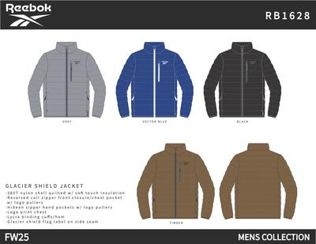 | BCOMRB1628BLACKMM6D | OMRB1628 GLACIER SHIELD JACKET | OMRB1628 | BLACK | 001AA | M6D | $135.00 | $18.50 | 6,156
 |  | BCOMRB1628TIMBERMM6D | OMRB1628 GLACIER SHIELD JACKET | OMRB1628 | TIMBER | TIMBE | M6D | $135.00 | $18.50 | 252
 |  | BCOMRB1628VECTOR BLUEMM6D | OMRB1628 GLACIER SHIELD JACKET | OMRB1628 | VECTOR BLUE | VTBL | M6D | $135.00 | $18.50 | 300
 |  | BCOMRB1358BLACKMRM6B | OMRB1358 TEXTURED JACKET W. SOFT WOVEN | OMRB1358 | BLACK | 001AA | M6B | $120.00 | $18.50 | 918
 | 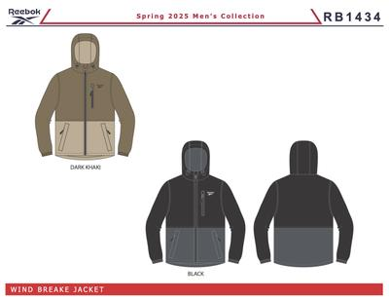 | BCOMRB1434BLACKMM6D | OMRB1434 LIGHT WEIGHT | OMRB1434 | BLACK | 001AA | M6D | $125.00 | $18.50 | 1,614
 |  | BCOMRB1434DARK KHAKIMM6D | OMRB1434 LIGHT WEIGHT | OMRB1434 | DARK KHAKI | 215AA | M6D | $125.00 | $18.50 | 120
 | 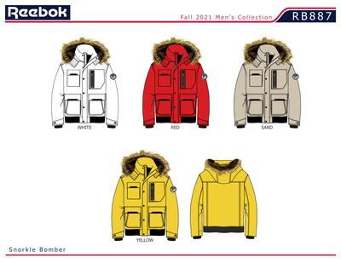 | BCOMRB887DSANDMR2XL | MENS 100% POLYESTER WOVEN 600MM PU COATED WR JCKET | OMRB887D | SAND | 25B | 2XL | $150.00 | $31.50 | 1
 |  | BCOMRB887DSANDMRL | MENS 100% POLYESTER WOVEN 600MM PU COATED WR JCKET | OMRB887D | SAND | 25B | L | $150.00 | $31.50 | 2
 |  | BCOMRB887DSANDMRM | MENS 100% POLYESTER WOVEN 600MM PU COATED WR JCKET | OMRB887D | SAND | 25B | M | $150.00 | $31.50 | 1
 |  | BCOMRB887DSANDMRXL | MENS 100% POLYESTER WOVEN 600MM PU COATED WR JCKET | OMRB887D | SAND | 25B | XL | $150.00 | $31.50 | 2
 |  | BCOMRB1359BLACKMRM6B | OMRB1359 CLIMB JACKET | OMRB1359 | BLACK | 001AA | M6B | $95.00 | $16.50 | 7,038
 |  |  |  |  |  |  |  |  |  | 97,685

